Instructions
A test schedule is required for all test administration sessions, including full group, small group, and one-on-one. Information in RED columns is required and must be completed for each row. Please do not edit any of the columns in this file. No Student PII should be included in any schedule submission. |  |  |  |  | Online
Column | Column Name | Column Type | Instructions | Notes
A | Date | Date | Indicate date for testing for that specific group/individual, ex. Monday, February 17 or 2/17/2026
B | Time | Text | Indicate start and end time, ex. 9-11am, and account for setup/closeout time | Recommended testing time for Kindergarten is 60 minutes. Alt ACCESS recommended testing times is 40 minutes for each domain. See blue/green tables to the right for testing times for Grades 1-12. | 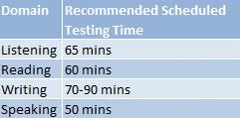
C | Assessment | Drop-down | Select ACCESS or Alt ACCESS
D | Domain | Drop-down | Select Reading, Listening, Speaking, Writing or Kindergarten
E | Grade | Text | Indicate grade level(s) being assessed. | OSSE recommends testing by grade bands whenever possible; consult WIDA for guidance on grades that can be combined for testing. | Paper
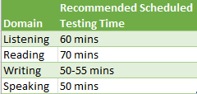
F | Test Administrator | Text | Indicate the name in the following format: Last name, First name
G | Proctor | Text | If applicable, indicate the name in the following format: Last name, First name
H | Test Administration Location | Text | Include a room number
I | Number of Testers | Number | Indicate the number of student(s) testing for that specific group/individual | The speaking assessment must be in groups of 1-5 only.
J | Comments | Text | Add any comments to help contextualize the schedule. Please indicate here if test session is Online or Paper.

